Sheet1
 | KPI |  |  | SLICER

Sum of Number_of_Tourists | Sum of Tourist_Spending_USD | Sum of Tourism_Revenue_USD | Sum of Number_of_Hotels
336982 | 9035.1 | 1529499.45 | 712
336982 | 9035.1 | 1529499.45 | 712

Tourist Spending USD
Row Labels | Sum of Tourist_Spending_USD
United Arab Emirates | 9035.1
Grand Total | 9035.1

Row Labels | Sum of Number_of_Tourists
Educational | 336982
Grand Total | 336982

Row Labels
159556
177426
Grand Total

Row Labels | Sum of Tourist_Spending_USD
2020 | 9035.1
Grand Total | 9035.1

 | Row Labels | Sum of Number_of_Hotels
 | Business | 18011
 | Cultural | 17128
 | Educational | 23722
 | Family Visit | 20730
 | Leisure | 18545
 | Medical | 19785
 | Religious | 18891
 | Grand Total | 136812

country wise tourism
Row Labels | Sum of Employment_in_Tourism
Australia | 867795
Canada | 858502
China | 919085
Egypt | 844656
Germany | 812507
India | 817184
Italy | 899872
South Africa | 903491
Spain | 768082
United States | 687788
Grand Total | 8378962

Row Labels | Sum of Number_of_Online_Reviews
United Arab Emirates | 13987
Grand Total | 13987

New Dashboard
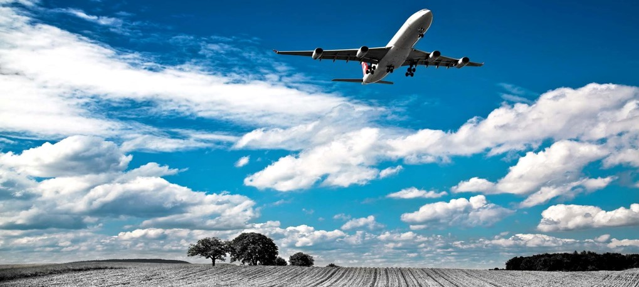
Travel and Tourism
12963941
No.of Tourists

Tourist Spending USD
 | Total
United Arab Emirates | 9035.1

280094.2
Tourist spending USD
Number of tourists
 | Total
Educational | 336982

32934541.8
Tourism Revenue USD
country wise tourism
 | Total
Australia | 867795
Canada | 858502
China | 919085
Egypt | 844656
Germany | 812507
India | 817184
Italy | 899872
South Africa | 903491
Spain | 768082
United States | 687788

Total Hotels
 | Total
Business | 18011
Cultural | 17128
Educational | 23722
Family Visit | 20730
Leisure | 18545
Medical | 19785
Religious | 18891
Total Spending USD
 | Total
2020 | 9035.1

29762
Number of hotels

